Sheet1
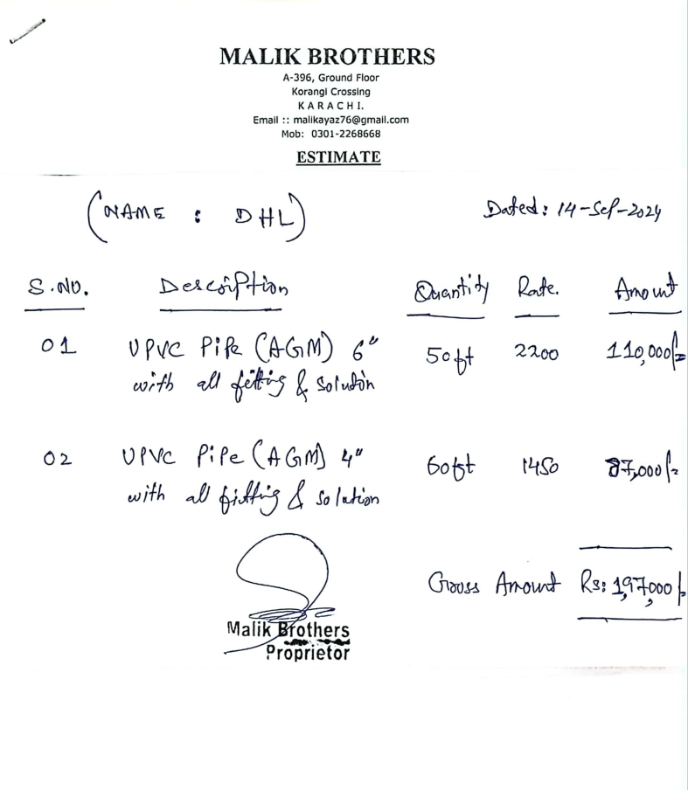
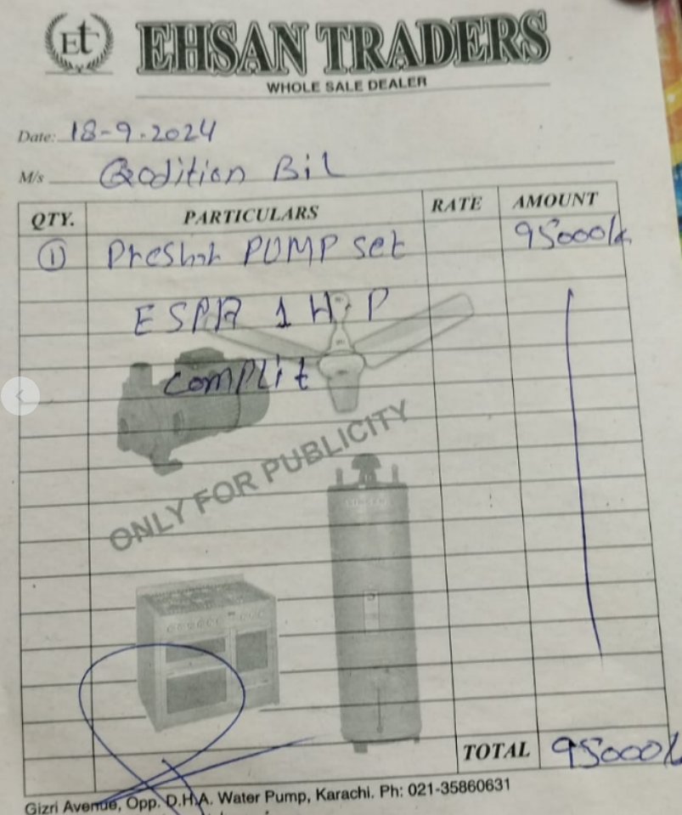
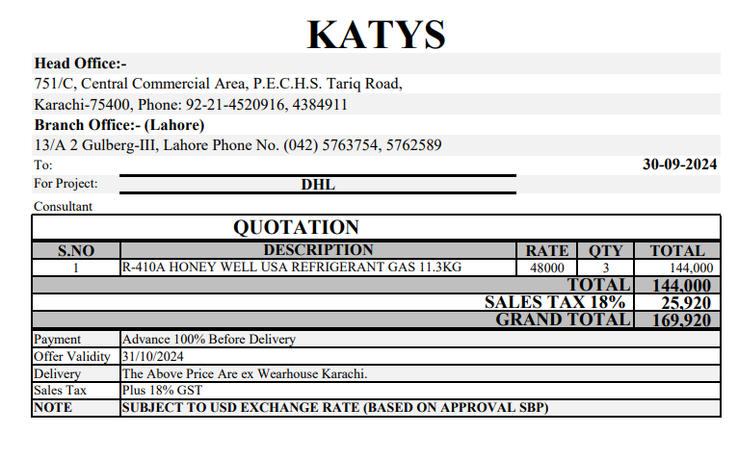


M/S IK Associates |  |  |  |  |  |  |  | 2024-09-18

Project: DHL Office, Fortune Center, Karachi

Attn: Mr. Taha Ghaznavi

Variation order No 2
Variation order for Extra Work for VRF & Split Units.

S. # | Description | Material Rate | Labour Rate | Over Head profit 28% | Total Rates | Unit | Qty | Amount
1 | Unloading of VRF units from container by regger, lifted and shifted with lifter to the 3rd floor parking and 12th floor. | - | 45,000 | 12,600 | 57,600 | Job | 1 | 57,600
2 | Unloading of split units from container by regger and lifted shifted with lifter to the 12th floor and roof. | - | 45,000 | 12,600 | 57,600 | Job | 1 | 57,600
3 | VRf condencing units lifted to the roof top by rgger including cuttings and reinstallation of grills' supports etc complete in all respect. | - | 90,000 | 25,200 | 115,200 | Job | 1 | 115,200
4 | Providing and making RCC plateform for VRF and split units condencing units. (as required by Building) | - | 160,000 | 44,800 | 204,800 | Job | 1 | 204,800
5 | Intallation of fresh air unit with related fittings. | - | 15,000 | 4,200 | 19,200 | Job | 1 | 19,200
6 | Core cuttings for split units and VRF copper pipes as roof given by building owner. | - | 1,800 | 504 | 2,304 | Nos | 42 | 96,768
7 | Providing and installation of 1 HP pressure pump set with related fittings such as valve, non return valve, pressure cut out etc complete in all respect. | 95,000 | 10,000 | 29,400 | 134,400 | Job | 1 | 134,400
8 | Supply of Freon of split AC and VRF system. | 56,640 | - | 15,859 | 72,499 | Set | 4 | 289,997
9 | Providing and installation of UPVC pipe 06" Dia with related fittings such as Reducing-Tee, elbow & Reducing Socket | 1,450 | 300 | 490 | 2,240 | Rft | 48 | 107,520
10 | Providing and installation of UPVC pipe 04" Dia with related fittings such as Reducing-Tee, elbow & Reducing Socket | 2,200 | 200 | 672 | 3,072 | Rft | 54 | 165,888
11 | Supply and installation of Disc valve. | 4,500 | 500 | 1,400 | 6,400 | Nos | 9 | 57,600
Total Amount Rs. |  |  |  |  |  |  |  | 1,306,573

Note: Vendor quotation attached

Thanking you,

For PIONEER ENGINEERING SERVICES.

Bilal Habib

